Epic 1- Login
HighScope/Ampcus - COR Advantage

USER STORY ID | REQUIREMENT | USER TYPE | PRIORITY | USER STORY | ACCEPTANCE CRITERIA | Screens | STATUS | COMMENTS

US-1 | Login Page (COR Advantage) | All Users | Must Have | As a COR Advantage user, I should be able to access the COR Advantage Login Page, so that I can login to the COR Advantage website | 1) Login page should be opened once the user clicks on "Login to COR Advantage" Button from the HighScope homepage URL- https://highscope.org/cor-advantage/ 2) Login Page should have "LOG IN" pop-up window • Login pop-up window should have "LOG IN" button • Login pop-up window should have "LEARN MORE" button (Details required from HIGHSCOPE) • Login pop-up window should have "Language drop down button" at the bottom of window for language selection with list of below mentioned languages • Language dropdown menu should contains following languages: English Spanish French • Brand logo should appear on the page Note: Please follow current color scheme of the page and also refer the attached screen mockup | 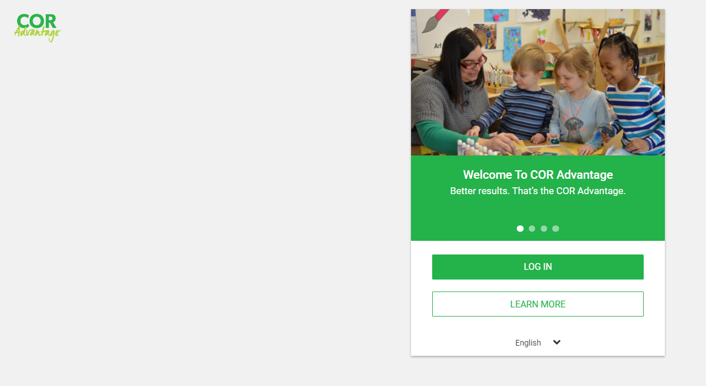
US-2 | Account Login Page | All Users | Must Have | As a user, I should be able to enter Login credentials so that I can log into the COR Advantage website | 1)Users should be able to view the account login page once they clicks on "LOG IN" button on COR Advantage Login Page. 2) Account Login Window should have the below mentioned fields: Email Field - User should be able to enter a Valid Email address to Login so that they can enter in their account. •The user will be required to enter a valid Email Address • The user must enter an Email which has not yet been registered in the app • Email Address should not be case sensitive • Must be unique • User should be prompted if the username entered already exists in the system Pasword Field- Users should be able to use their unique password to log into their account. •The Password input fields should be hidden, but have a view button to unhide the password so that the user can see what they typed. •Password should be case sensitive •Password can not be smaller than 8 symbols with the following requirements: Using a minimum of one capital letter Using a minimum of one small letter Using a minimum one Number Using at least one special character Show (To view the password) "LOG IN" button "Forgot Password" hyperlink 3) The password input fields should be hidden, but have a Show button to unhide the password so that the user can see what they typed. 4) Brand Logo should appear on the page | 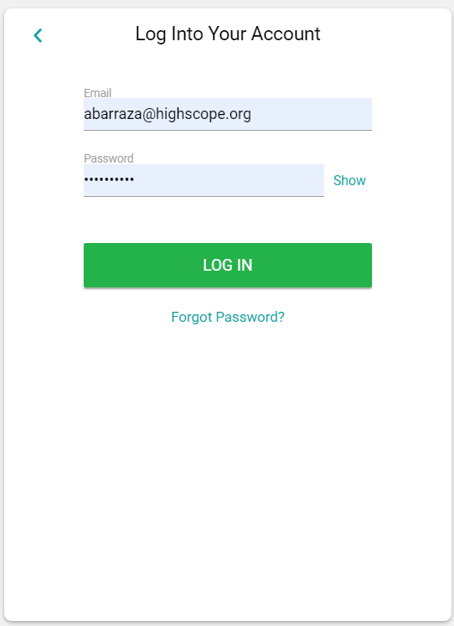
US-3 | Forgot Password Hyperlink (Recover Password Option) | All Users | Must Have | As a User, I should be able to recover the password of the account, so that I will be able to access the account in case I forgot the password. | 1) Once a user clicks on "Forgot password" hyperlink, a new window should be opened to enter the Email address associated with their account. 2) A unique password reset link is sent to the user. 3) The password reset link is only valid for a set period of time. 4) When the link is clicked, the user is prompted to enter and confirm their new password. 5) A password : must contain at least 8 characters must contain at least one uppercase letter must contain at least one lowercase letter must contain at least one number must contain at least one special character 6) The password input fields should be hidden, but have a view button to unhide the password so that the user can see what they typed. | 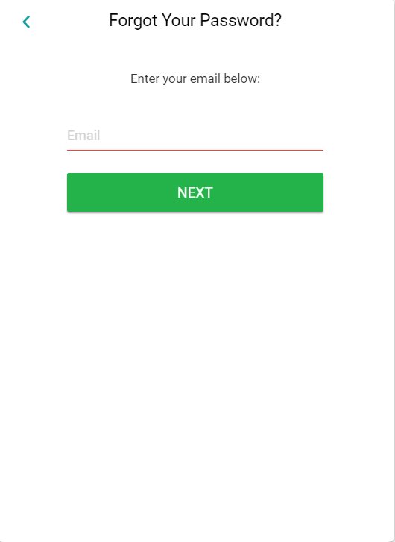

Epic 2 - Menu
 | HighScope/Ampcus - COR Advantage
 | USER STORY ID | REQUIREMENT | USER TYPE | PRIORITY | USER STORY | ACCEPTANCE CRITERIA | SCREEN | STATUS | COMMENTS

 | US.1 | Menu List (Landing Page) | Director | Must Have | As a Director, I should have a Menu List along with the website name, logo, user profile, and menu bar with all the menu items on the landing page. Menu Items: Assessment Moments Storyboards Lesson Planner Daily Sheets Messaging Yearbooks Reports Roster Tags Settings Help Logout | •Menu list should appears on the left side of the landing page. •Logo and the user profile on the top of the menu list •Menu list should contain all the menu items • Allow users to scroll by clicking on the arrows, dragging the slider, and by using a scroll wheel on their mouse.
 | US.2 | Assessments | Director | Must Have | As A Director, I should have an assessment page/landing page with an overview of student progress so that I can see the child's assessment for all the 36 courses. Approaches to Learning A. Initiative and planning B. Problem solving with materials C. Reflection Social and Emotional Development D. Emotions E. Building relationships with adults F. Building relationships with other children G. Community H. Conflict resolution Physical Development and Health I. Gross-motor skills J. Fine-motor skills K. Personal care and healthy behavior Language, Literacy, and Communication L. Speaking M. Listening and comprehension N. Phonological awareness O. Alphabetic knowledge P. Reading Q. Book enjoyment and knowledge R. Writing Mathematics S. Number and counting T. Geometry: Shapes and spatial awareness U. Measurement V. Patterns W. Data analysis Creative Arts X. Art Y. Music Z. Movement AA. Pretend play Science and Technology BB. Observing and classifying CC. Experimenting, predicting, and drawing conclusions DD. Natural and physical world EE. Tools and technology Social Studies FF. Knowledge of self and others GG. Geography HH. History English Language Learning (ELL) II. Listening to and understanding English JJ. Speaking English EE. Tools and technology | •Once the user enters the login information it will take the user to the assessment page/Landing page, where a user can see courses and classrooms with the scoreboard. •A user can see three types of assessments: Child Assessments, School Assessments, and Program/Classroom Quality Assessments • Categories and items should be listed on the left view of the screen. •Students should be listed in the top row, with the scores displayed below. • Assessments Tab should be clickable
 | US.3 | Moments | Director | Must Have | Users should have a moments tab so that they can share/post pictures, videos and messages. Also share achievements, experiences, pictures, and videos with other users. | • Moments Tab should be clickable •Users should be able to upload the pictures, videos and texts.
 | US.4 | Storyboards | Director | Must Have | As a Director, I should have a Storyboard tab so that I can create a storyboard that includes pictures, messages, learnings, and activities. As a director, I should have the ability to draw or write ideas with pictures that flow in a logical order with the help of a storyboard that allows programs to use photos and text to create custom communication( Storyboards can be used for many purposes, including newsletters and learning stories, and can be easily shared ) | • Storyboards Tab should be clickable •Story board should be created with the help of + sign tab and users can upload the pictures and texts. | 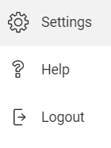
 | US.5 | Lesson Planner | Director | Must Have | As a Director, I should have a lesson planner which strengthens the teaching practices and build daily and weekly plans based on their unique daily schedules | • Lesson Planner Tab should be clickable •Once you click on lesson planner it will show you the list of classes. A user can create the lesson after clicking on plus tab.
. | US.6 | Daily Sheets | Director | Must Have | As a Director, I should have a "Daily sheets" Tab so that enables me to send electronic daily sheets to families. | • Daily Sheets Tab should be clickable • Families should be able to receive a message delivered directly to their inbox with a clear, itemized log of their child's daily activities.
 | US.7 | Messaging | Director | Must Have | As a Director, I should have a "Messaging" tab so that I can send Messages and Announcements which include attachments and also mark messages as urgent. | •A user can add the message with the help of Plus Tab. This page also have three dropdown menus as per date, per message type and per class. •Teacher's can make announcement with the help of messaging page. •Parent's/Teacher's can also communicate with each other or multiple users. • Messaging Tab should be clickable
 | US.8 | Year Books | Director | Must Have | As a Director, I should have a "Yearbook" tab so that I can create a yearly book that has a child's experience and photos of the specific year which students can purchase through the portal. | •Yearbook should be available to purchase for respective year. • Year Books Tab should be clickable
 | US.9 | Reports | Director | Must Have | As a Director, I should have the ability to generate multiple reports according to my requirements: Growth & Planning Benchmarks Growth Letter and Number Recognition Performance Progress Overview School Readiness Strengths & Opportunities Student Completion Tags Family engagement Contact Errors Drop Off Notes Family Comments Shared Content Report Staff Development Classroom Completion Observations By Teacher System Usage Attendance & Activity Attendance Daily Sheets Administration Demographics Export Data Export Family Reports Head Start Alignment OSEP Outcomes OSEP Status Period Settings | •Different type of reports should be generated by the users like Growth & Planning Family engagement Staff Development Attendance & Activity Administration • Reports Tab should be clickable , once you click on it report should be displayed
 | US.10 | Roster | Director | Must Have | Users should have a roster which will give all the details about classrooms, teachers, students and directors of the center/School | •A user can see the class, teacher and student information under the classrooms. List of directors will give you the details of the directors including email address. Once you click on roaster it will show you the list of classrooms and directors. • Roster Tab should be clickable
 | US.11 | Tags | Director | Must Have | As a Director, I should have the Tags tab as a customizable tool to track learning and development. Please find below the active tags on the website: Approaches to Learning Social and Emotional Development Physical Development and Health Language, Literacy, and Communication Mathematics Creative Arts Science and Technology Social Studies English Language Learning (ELL) | •There are two types of Tags that can be managed on the platform: My Tags and School Tags. There are also some tags that are set at the platform level, like the COR Advantage items. • Tags Tab should be clickable
 | US.12 | Settings | Director | Must Have | As a Director, I should have the settings tab where I can create Centre, and Classrooms and also define their settings. | • Settings Tab should be clickable
 | US.13 | Help | Director | Must Have | As a Director, I should have a help centre tab so that I can take any help if required | • Once users click on the help center link, then they are taken to the customer support page. • Help Tab should be clickable
 | US.14 | Logout | Director | Must Have | As a Director, I should be able to log out easily so that I can avoid somebody else accessing the account | • Once users click on the logout button, they should be logged out from the account and directed to the login page • Users information should be saved in the system before logging out • Logout Tab should be clickable

Epic 3 -Settings
HighScope/Ampcus - COR Advantage

USER STORY ID | REQUIREMENT | USER TYPE | PRIORITY | USER STORY | ACCEPTANCE CRITERIA | SCREEN | STATUS | COMMENTS

US.1 | SETTING LANDING PAGE | Director | Must Have | Users should have the below-mentioned sections on the Setting landing page. | • Allow users to scroll by clicking on the arrows, dragging the slider, and by using a scroll wheel on their mouse. • Hamburger icon should close the left side menu list CENTRE NAME CENTRE SETTINGS CLASSROOM
US.2 | CENTRE NAME | Director | Must Have | Users should be able to add Centers and Classrooms to their accounts through Settings. Users should have a "Centre Name" field so that they can create a Centre/School. Users should be able to rename entities (such as a classroom or center) via their Settings page. | • Once a user clicks on edit pencil icon a window pop up should be opened to enter and edit the center name with save and cancel options • Edit pencil icon should be clickable
US.3 | CENTRE SETTINGS | Director | Must Have | Users should have the below mentioned sections in centre settings so that they should be able to customize, select and edit the center settings: Period Settings Family Communication Settings Student Fields | Section rows should be clickable. Once a user clicks on each section row, it will take you to the •"Assessment Period" page under period settings • "Family Communication" Page under Family Communication Settings • And, Student field page.
US.3.1 | PERIOD SETTINGS- CENTER/SCHOOL LEVEL | Director | Must Have | Users should be able to create, select and change settings for Period (Current, Previous and New) at center/school level. Customization Default Periods Lock Periods School Year "Close School Year" Text Button | •Once a user clicks on the Period Settings row it will take you to the "Assessment Periods" page •User should be able to change, customize and edit the settings at center/school level
US.3.1.1 | CUSTOMIZATION | Director | Must Have | Users should be able to give permission or Allow classrooms to customize assessment periods. | ON/Off Lever should be available in customization section and able to select on and off status with a confirmation text in a pop up window ( Are you sure?- Disabling the ability for classrooms to customize assessment periods will reset all classrooms to the default settings specified here, overwriting any changes classrooms have already made.) | 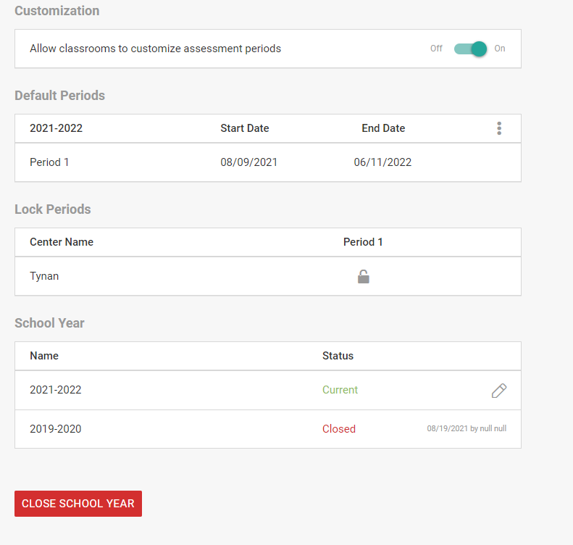
US.3.1.2 | DEFAULT PERIODS | Director | Must Have | Users should have settings for default periods so that they will be able to create, edit and change the periods. | •User should be able to create the period with the help of start and end date of the period. •Default periods row shows period year along with start and end date.
US.3.1.3 | LOCK PERIODS | Director | Must Have | Users should be able to lock the period for the respective year so that no user in your center will be able to edit Moments or data for this period. | •When you lock a period the period data will be locked for all the users in the center and no user in the center will be able to edit Moments or data of the period. • Pop up window should be opened once a user clicks on lock sign •Once a user lock the period, the icon should change the colour from grey to green. | 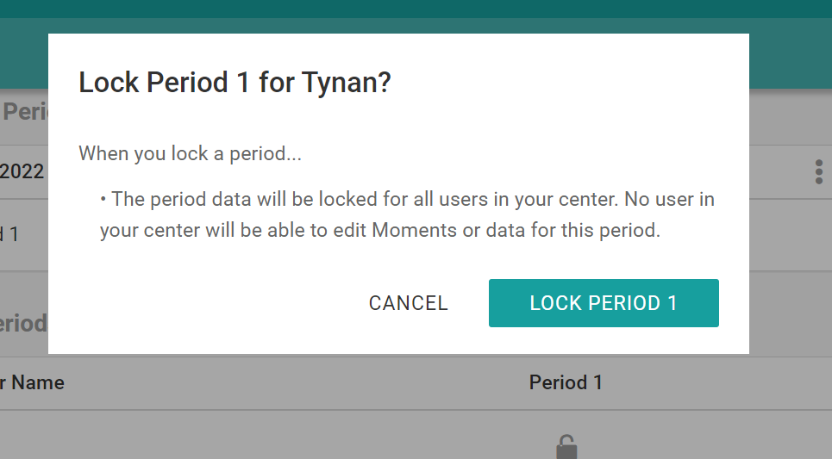
US.3.1.4 | SCHOOL YEAR | Director | Must Have | Users should have a school year section so that they can enter the school year with the help of "edit pencil" | Once a user clicks on Edit Pencil a pop up window opens where a user can enter, edit the school year with cancel and save options | 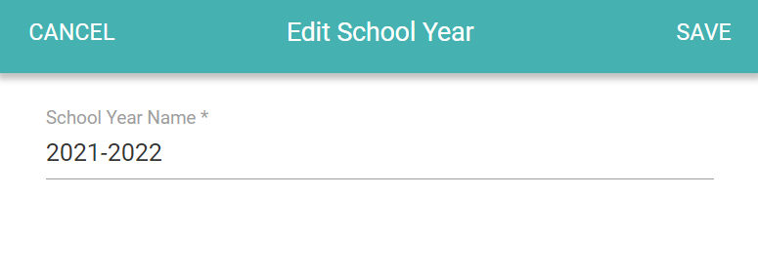
US.3.1.5 | "CLOSE SCHOOL YEAR" Text Button | Director | Must Have | Users should have a "Close School Year" text button so that they can close the year as required | Once a user clicks on "Close school year" text button, the school year should be closed.
US.3.2 | FAMILY COMMUNICATIONS SETTINGS (Center/School Level) | Director | Must Have | Users should have family communications settings where they can customize as and when required CUSTOMIZATION DIGEST SETTINGS FAMILY APP FAMILY REPLY SETTINGS ADD NEW EMAIL | •Users should have the below-mentioned sections: CUSTOMIZATION DIGEST SETTINGS FAMILY APP FAMILY REPLY SETTINGS ADD NEW EMAIL • Each section row should be Clickable
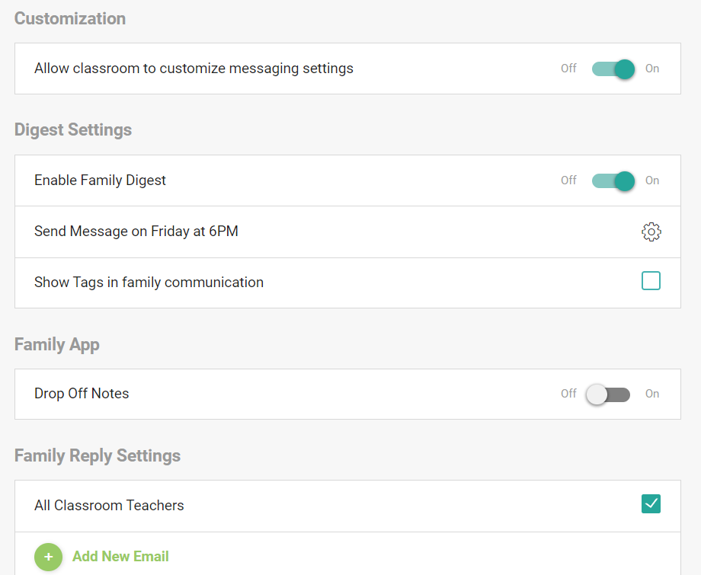
US.3.2.1 | CUSTOMIZATION | Director | Must Have | Users should be able to do customization with the help of on/off lever to "Allow classroom to customize messaging settings" | •Once a user clicks on on/off lever a warning pop up window appears with specific text (Are you sure? -Disabling the ability for classrooms to customize messaging settings will reset all classrooms to the default settings specified here, overwriting any changes classrooms have already made.) •ON/Off lever should be able to scroll
US.3.2.2 | DIGEST SETTINGS | Director | Must Have | Users should have "Digest settings" where an automated, customized message is sent to families on a scheduled basis. List of digest settings are : Enable Family Digest- On/Off lever Send Message on (Day and time)- Settings icon Show tags in family communication- Check Box | Enable Family Digest- On/Off lever (Should be able to scroll between off and on) Send Message on (Day and time)- Settings icon Opens a new pop up window with days and time options. Show tags in family communication- Check Box - Should be able to check the check box
US.3.2.3 | FAMILY APP | Director | Must Have | Users should have a family app section so that they can enable the "Drop Off Note" setting so families should have an option to add a note when dropping off their child(ren) for the day. | • Once a user pulls a lever to ON for drop off note, Liability Check field should be opened • If Drop Off Notes are enabled, programs also have the option to require families to sign Liability Waivers. To add a Liability Check, make sure that the Liability Check toggle is turned ON
US.3.2.4 | FAMILY REPLY SETTINGS | Director | Must Have | Users should have a "Family reply settings" checkbox so that they can enable the service for all classroom teachers. | •Service should be enable if check box is checked. •User should be able to check/uncheck the box.
US.3.2.5 | ADD NEW EMAIL | Director | Must Have | Users should have an Add button (+) so that they should be able to add a new email address if required | •Once a user clicks on "+ Add New Email" a pop-up window should be opened for the email address •A valid Email address should be entered in the email field. •Popup window should have to save and cancel options | 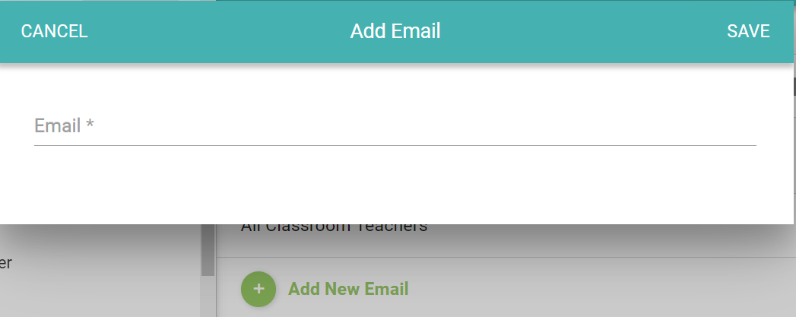
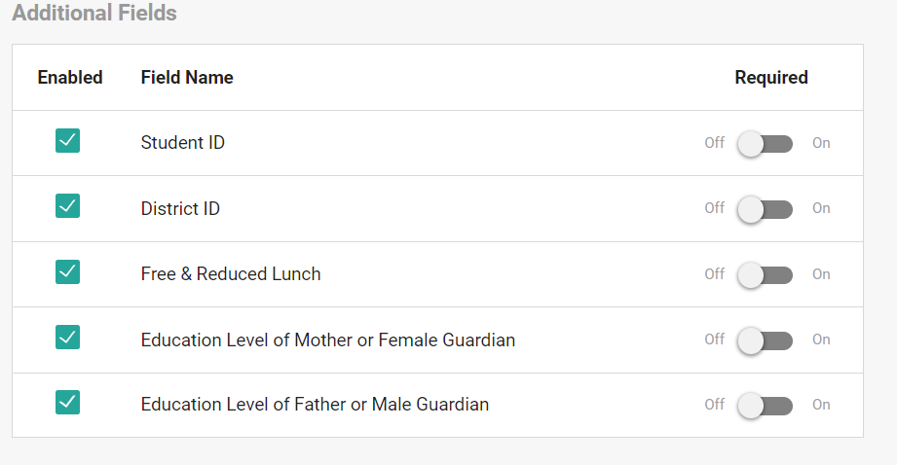
US.3.3 | STUDENT FIELDS | Director | Must Have | Users should have a "Student field" section where users can enable the field and should be able to make it required(mandatory) field. The fields are: •Student ID •District ID •Free & Reduced Lunch •Education Level of Mother or Female Guardian •Education Level of Father or Male Guardian | •All fields should have checkboxes to enabled •Checkboxes should be able to checked/Unchecked for field selection •All fields should have a lever to toggle ON/Off to make it required/mandatory •On/Off Lever should be able to toggle
US.3.3.1 | STUDENT ID | Director | Must Have | Users Should have checkbox and on/off lever to enable and make it a required field for "STUDENT ID" | •All fields should have checkboxes to enabled •Checkboxes should be able to checked/Unchecked for field selection •All fields should have a lever to toggle ON/Off to make it required/mandatory •On/Off Lever should be able to toggle
US.3.3.2 | DISTRICT ID | Director | Must Have | Users Should have checkbox and on/off lever to enable and make it a required field for "DISTRICT ID" | •All fields should have checkboxes to enabled •Checkboxes should be able to checked/Unchecked for field selection •All fields should have a lever to toggle ON/Off to make it required/mandatory •On/Off Lever should be able to toggle
US.3.3.3 | FREE & REDUCED LUNCH | Director | Must Have | Users Should have checkbox and on/off lever to enable and make it a required field for "FREE & REDUCED LUNCH" | •All fields should have checkboxes to enabled •Checkboxes should be able to checked/Unchecked for field selection •All fields should have a lever to toggle ON/Off to make it required/mandatory •On/Off Lever should be able to toggle
US.3.3.4 | Education Level of Mother or Female Guardian | Director | Must Have | Users Should have checkbox and on/off lever to enable and make it a required field for "Education Level of Mother or Female Guardian" | •All fields should have checkboxes to enabled •Checkboxes should be able to checked/Unchecked for field selection •All fields should have a lever to toggle ON/Off to make it required/mandatory •On/Off Lever should be able to toggle
US.3.3.5 | Education Level of Father or Male Guardian | Director | Must Have | Users Should have checkbox and on/off lever to enable and make it a required field for "Education Level of Father or Male Guardian" | •All fields should have checkboxes to enabled •Checkboxes should be able to checked/Unchecked for field selection •All fields should have a lever to toggle ON/Off to make it required/mandatory •On/Off Lever should be able to toggle
US.4 | CLASSROOM | Director | Must Have | Users should have a Classroom Section so that they can add classrooms to the Centre/School and also customize settings for each classroom | •Section rows should be clickable. • Once a user clicks on each section row/classroom, it will take you to the respective classroom page which shows two sections: Classroom Name Classroom Settings
US.4.1 | Classroom Name | Director | Must Have | Users should have a "Classroom Name" field with a edit pencil icon so that they can create a classroom. | • Once a user clicks on edit pencil icon a window pop up should be opened to enter and edit the center name with save and cancel options • Edit pencil icon should be clickable
US.4.2 | Classroom Settings | Director | Must Have | Users should have a classroom settings section which should be divided in two sections •Period Settings •Family Communication Settings | Section rows should be clickable. Once a user clicks on each section row, it will take you to the •"Assessment Periods" page under period settings • "Family Communication" Page under Family Communication Settings • And, Student field page.
US.4.2.1 | Period Settings (Classroom Level) | Director | Must Have | Users should be able to create, select and change settings for Periods (Current, Previous, and New) at the Classroom level. Default Periods Lock Periods School Year "Close School Year" Text Button | •Once a user clicks on the Period Settings row it will take you to the "Assessment Periods" page with below mentioned sections Default Periods Lock Periods School Year "Close School Year" Text Button •User should be able to change, customize and edit the settings at the Classroom Level
US.4.2.1.1 | DEFAULT PERIODS(Classroom Level) | Director | Must Have | Users should have settings for default periods so that they will be able to create, edit and change the periods at classroom level | •User should be able to create the period with the help of start and end date of the period. •Default periods row shows period year along with start and end date.
US.4.2.1.2 | LOCK PERIODS(Classroom Level) | Director | Must Have | Users should be able to lock the period for the respective year so that no user in your center will be able to edit Moments or data for this period at classroom level | •When you lock a period the period data will be locked for all the users in the classroom and no user in the classroom will be able to edit Moments or data of the period. • Pop-up window should be opened once a user clicks on the lock sign •Once a user locks the period, the icon should change the color from grey to green.
US.4.2.1.3 | SCHOOL YEAR (Classroom Level) | Director | Must Have | Users should have a school year section so that they can enter the school year with the help of "edit pencil" | Once a user clicks on Edit Pencil a pop up window opens where a user can enter, edit the school year with cancel and save options
US.4.2.1.4 | "CLOSE SCHOOL YEAR" Text Button (Classroom Level) | Director | Must Have | Users should have a "Close School Year" text button so that they can close the year as required | Once a user clicks on "Close school year" text button, the school year should be closed.
US.4.2.2 | Family Communication Settings (Classroom Level) | Director | Must Have | Users should have family communications settings that they can customize as and when required for each classroom Director Approval for Moments Digest Settings Family App Family Reply Settings Add New Email | •Users should have the below-mentioned sections: Director Approval for Moments Digest Settings Family App Family Reply Settings Add New Email • Each section row should be Clickable
US.4.2.2.1 | DIGEST SETTINGS | Director | Must Have | Users should have "Digest settings" where an automated, customized message is sent to families on a scheduled basis. List of digest settings are : Enable Family Digest- On/Off lever Send Message on (Day and time)- Settings icon Show tags in family communication- Check Box | Enable Family Digest- On/Off lever (Should be able to scroll between off and on) Send Message on (Day and time)- Settings icon Opens a new pop up window with days and time options. Show tags in family communication- Check Box - Should be able to check the check box
US.4.2.2.2 | FAMILY APP | Director | Must Have | Users should have a family app section so that they can enable the "Drop Off Note" setting so families should have an option to add a note when dropping off their child(ren) for the day. | • Once a user pulls a lever to ON for drop off note, Liability Check field should be opened • If Drop Off Notes are enabled, programs also have the option to require families to sign Liability Waivers. To add a Liability Check, make sure that the Liability Check toggle is turned ON
US.4.2.2.3 | FAMILY REPLY SETTINGS | Director | Must Have | Users should have a "Family reply settings" checkbox so that they can enable the service for all classroom teachers. | •Service should be enable if check box is checked. •User should be able to check/uncheck the box.
US.4.2.2.4 | ADD NEW EMAIL | Director | Must Have | Users should have an Add button (+) so that they should be able to add a new email address if required | •Once a user clicks on "+ Add New Email" a pop-up window should be opened for the email address •A valid Email address should be entered in the email field. •Popup window should have to save and cancel options

Epic 4- Roaster
HighScope/Ampcus - COR Advantage

USER STORY ID | REQUIREMENT | USER TYPE | PRIORITY | USER STORY | ACCEPTANCE CRITERIA | Screen reference | STATUS | COMMENTS

US.1 | Roaster Page | Super Admin | Must Have | Users should have a Roaster page so that they can add staff, students, and families. | The roaster page should be opened once a user clicks on the menu list Roaster Tab . Roaster page should have the list of the directors, classrooms, students, and teachers list along with their count.
US.2 | Centre/School | Super Admin | Must Have | Users should be able to see the center/school profile once they open the roaster page. For users, Centre/School page is divided into two sections: Classrooms and Directors
US.2.1 | Classrooms | Super Admin | Must Have | Users should be able to see the list of all classrooms, teachers and students and their count as well
US.2.1.1 | Students | Super Admin | Must Have | Users should be able to see the students once they clicks on the classroom
US.2.1.2 | Teachers | Super Admin | Must Have
 | Family Members | Super Admin | Must Have | Users should be able to add family members to the student profile so that you can add or update a phone number, email, and home language preference. | 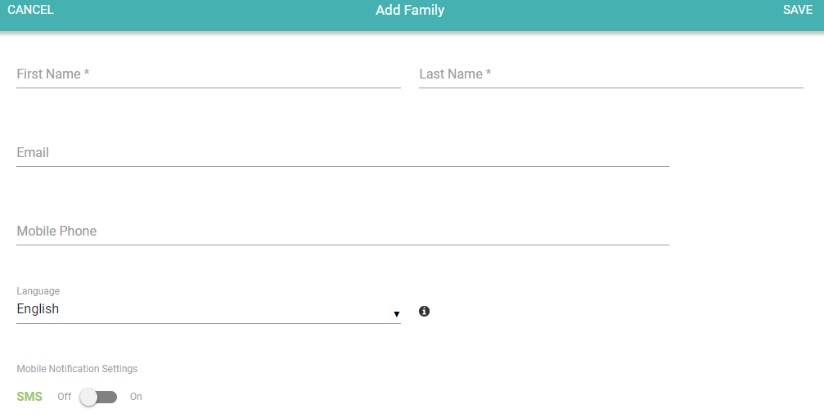 select "Add Family" and enter the required information, which includes full name, email and/or phone number, home language, and selecting to enable or disable Daily Sheets. If a family member has both an email and a phone number in their profile, all communication will default to email. If the family member only has a phone number in their profile, you will have the ability to turn the Mobile Notification Settings toggle ON and that family member will receive communication via SMS. ou can enable or disable families from receiving Daily Sheets by turning the Daily Sheets toggle ON or OFF. By default, all family members will have the Daily Sheets toggle ON. If you'd like to exclude a family member from receiving Daily Sheets, turn the Daily Sheets toggle OFF.
US.2.1.3 | Archive | Super Admin | Must Have
US.2.2 | Directors | Super Admin | Must Have

